Cover
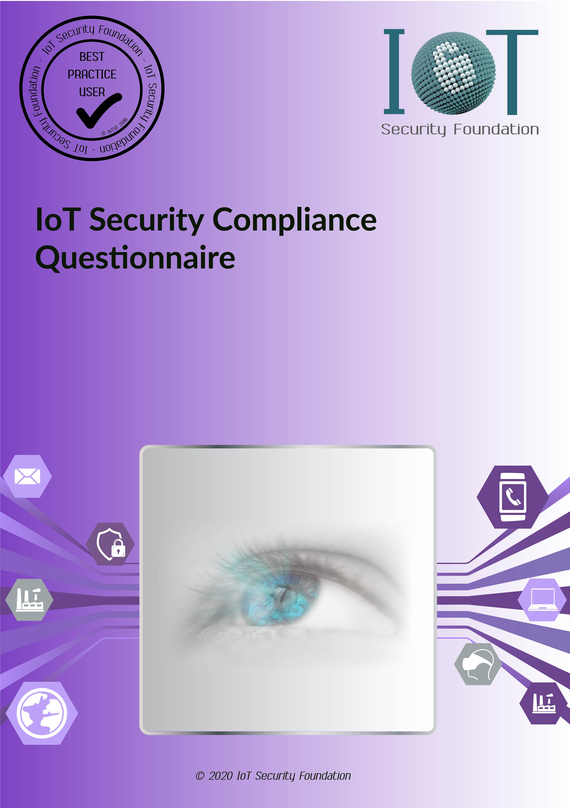

Front Page
IoTSF Compliance Checklist


IoT Security Foundation

Date of Issue: | 2020-05-14

For use with Compliance Framework Release: | 2.1

Notices, Disclaimer, Terms of Use, Copyright and Trade Marks and Licensing

Notices:
Documents published by the IoT Security Foundation (“IoTSF”) are subject to regular review and may be updated or subject to change at any time. The current status of IoTSF publications, including this document, can be seen on the public website at: https://iotsecurityfoundation.org/

Terms of Use:
The role of IoTSF in providing this document is to promote contemporary best practices in IoT security for the benefit of society. In providing this document, IoTSF does not certify, endorse or affirm any third parties based upon using content provided by those third parties and does not verify any declarations made by users.
In making this document available, no provision of service is constituted or rendered by IoTSF to any recipient or user of this document or to any third party.

Disclaimer:
IoT security (like any aspect of information security) is not absolute and can never be guaranteed. New vulnerabilities are constantly being discovered, which means there is a need to monitor, maintain and review both policy and practice as they relate to specific use cases and operating environments on a regular basis.
IoTSF is a non-profit organisation which publishes IoT security best practice guidance materials. Materials published by IoTSF include contributions from security practitioners, researchers, industrially experienced staff and other relevant sources from IoTSF's membership and partners. IoTSF has a multi-stage process designed to develop contemporary best practice with a quality assurance peer review prior to publication. While IoTSF provides information in good faith and makes every effort to supply correct, current and high quality guidance, IoTSF provides all materials (including this document) solely on an ‘as is’ basis without any express or implied warranties, undertakings or guarantees.
The contents of this document are provided for general information only and do not purport to be comprehensive. No representation, warranty, assurance or undertaking (whether express or implied) is or will be made, and no responsibility or liability to a recipient or user of this document or to any third party is or will be accepted by IoTSF or any of its members (or any of their respective officers, employees or agents), in connection with this document or any use of it, including in relation to the adequacy, accuracy, completeness or timeliness of this document or its contents. Any such responsibility or liability is expressly disclaimed.
Nothing in this document excludes any liability for: (i) death or personal injury caused by negligence; or (ii) fraud or fraudulent misrepresentation.
By accepting or using this document, the recipient or user agrees to be bound by this disclaimer. This disclaimer is governed by English law.

Copyright, Trade Marks and Licensing:

All product names are trade marks, registered trade marks, or service marks of their respective owners.

Copyright © 2020 IoTSF. All rights reserved.

This work is licensed under the Creative Commons Attribution 4.0 International License. To view a copy of this license, visit:
Creative Commons Attribution 4.0 International License

Compliance Class
 | <Insert OEM or Assessee Name> |  | <Insert Product Name /Model No> | <Final Date of Assessment>

Compliance Class Assessment
 | The Compliance Class of a device depends on three Security Objectives : Confidentiality, Integrity and Availability

 | A Risk Assessment must be made of the IoT device. This will generate Risk Factors (a combination of risk and impact for given set of threats)
 | These Risk Factors influence the level needed for the Security Objectives
 | The desired level derived from the security objectives, implies a level used in the framework, this reduces the complexity of the complaince class, and also indicates an inter-depencency in the CIA objectivees

 | Security Objective | Desired Level |  | Implied level
 | Confidentiality | BASIC | devices or services processing public information | BASIC

 | Integrity | BASIC | devices or services whose malfunction would have a minor or negligible impact on an individual or organisation | BASIC

 | Availability | BASIC | devices or services whose lack of availability would cause minor disruption | BASIC

 |  |  | Minimum Compliance class recommended | 0

 |  |  | Chosen Compliance Class | 0 | is red if lower than recommendation
 | Comment to Chosen Compliance Class |  | enter text

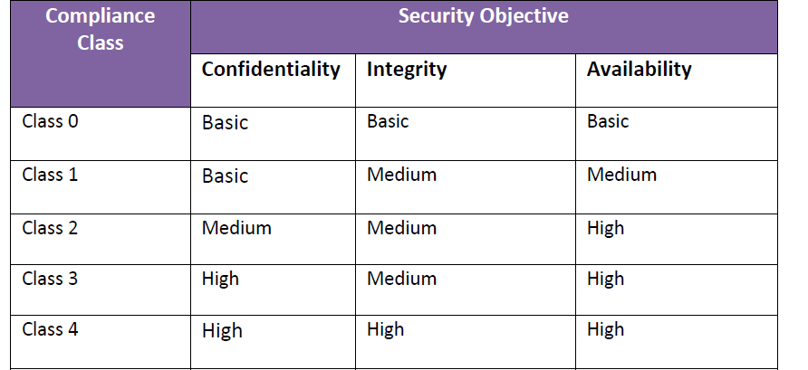

 |  | above table copied from main Framework Document for reference

